Script
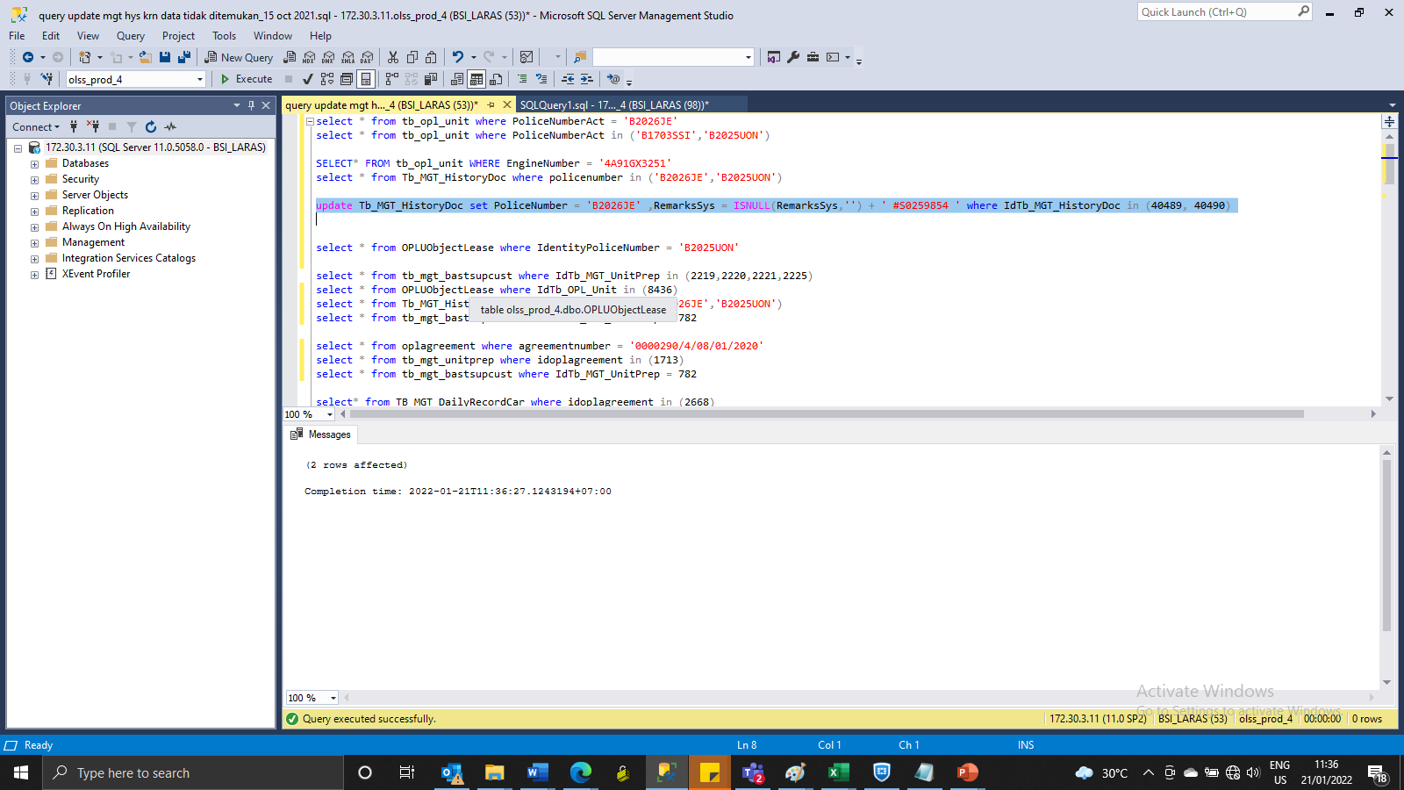
update Tb_MGT_HistoryDoc set PoliceNumber = 'B2026JE' ,RemarksSys = ISNULL(RemarksSys,'') + ' #S0259854 ' where IdTb_MGT_HistoryDoc in (40489, 40490)

SS
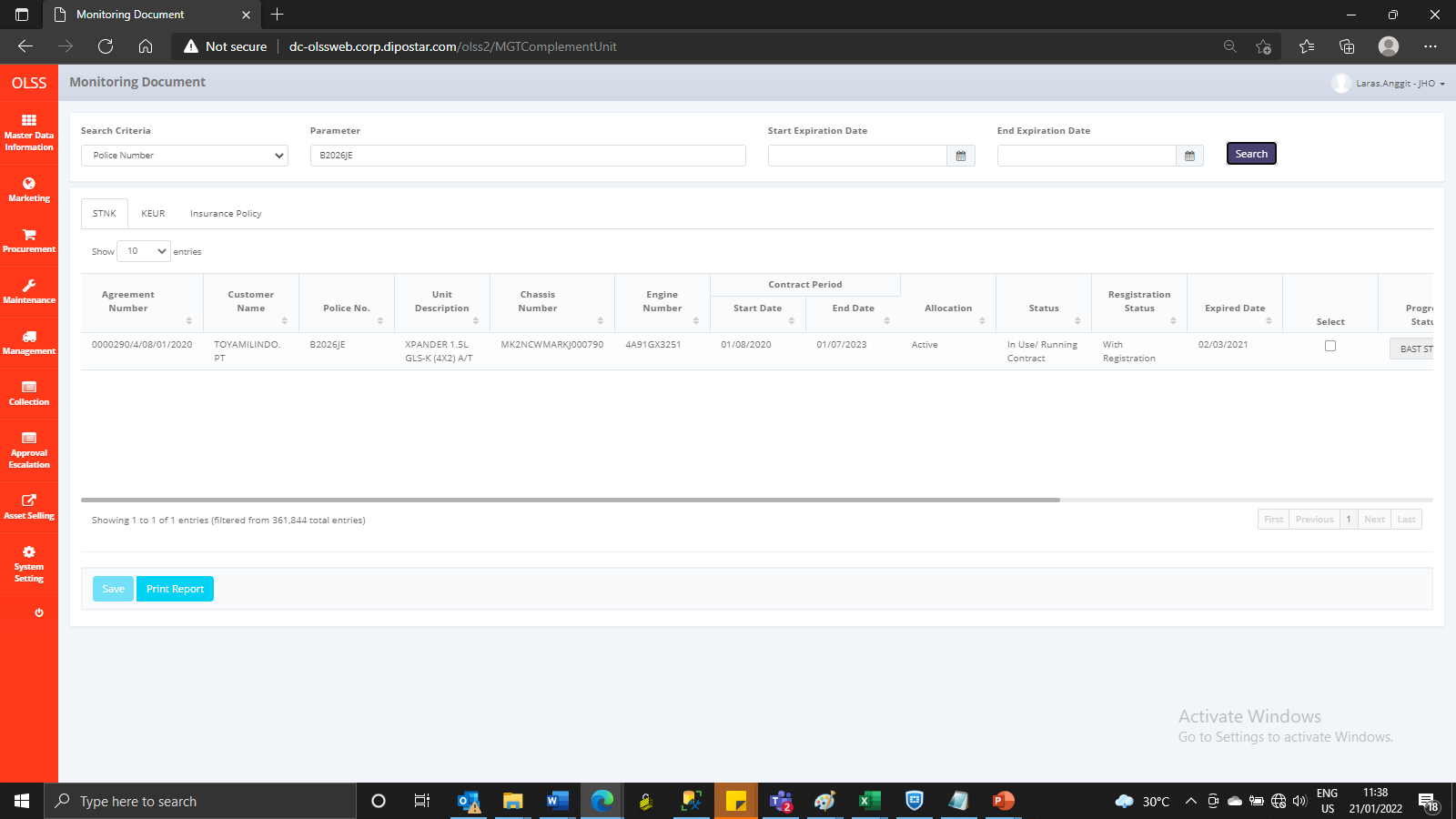
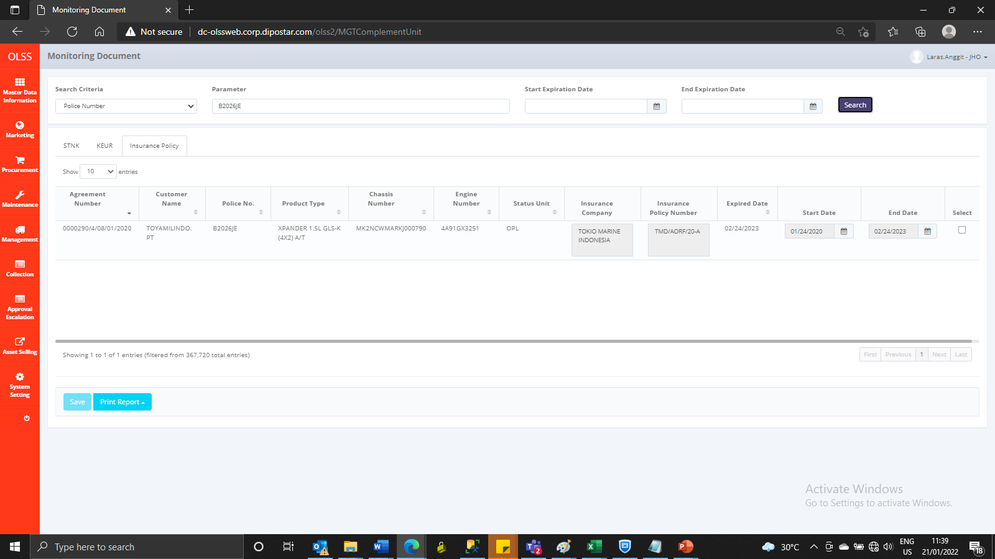
BEFORE




AFTER

